PO
 |  |  |  |  | PURCHASE ORDER

 |  |  |  | Invoice # | Date
 |  |  |  | PO-BZG-XXXX | 01/01/2018

 |  |  |  | Shipment Mode | Shipment Terms
 |  |  |  | By Sea | 100% Advance
Exporter |  | Ship To
 |  |  |  | Packaging In | Discharge
 |  |  |  | Container | Istanbul - Turkey
Representative OF Exporter

Sr. No. | Description |  | Qty | Unit Price | Amount
 |  |  |  |  | -
 |  |  |  |  | -
 |  |  |  |  | -
 |  |  |  |  | -
 |  |  |  |  | -
 |  |  |  |  | -
 |  |  |  |  | -
 |  |  |  |  | -
 |  |  |  |  | -
Thank you for your business! |  |  | Subtotal |  | -
 |  |  | Other
 |  |  | TOTAL |  | -

Amount in Words : Dirhams Only


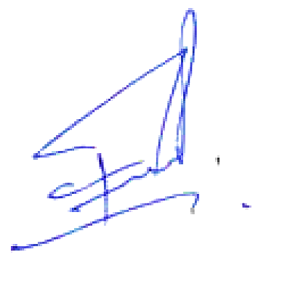
Origin:
Loading :
Discharge :

 | Beyzade General Trading L.L.C.

